
 |  |  |  | CODE: |  |  | pl1114 ad SN from 98E908
DESCRIPTION: |  | SQUEEGEE SUPPORT |  | SAUGFUSSHALTERUNG | SUPPORT SUCEUR | SOPORTE BOQUILLA | SUPPORTO SQUEEGEE
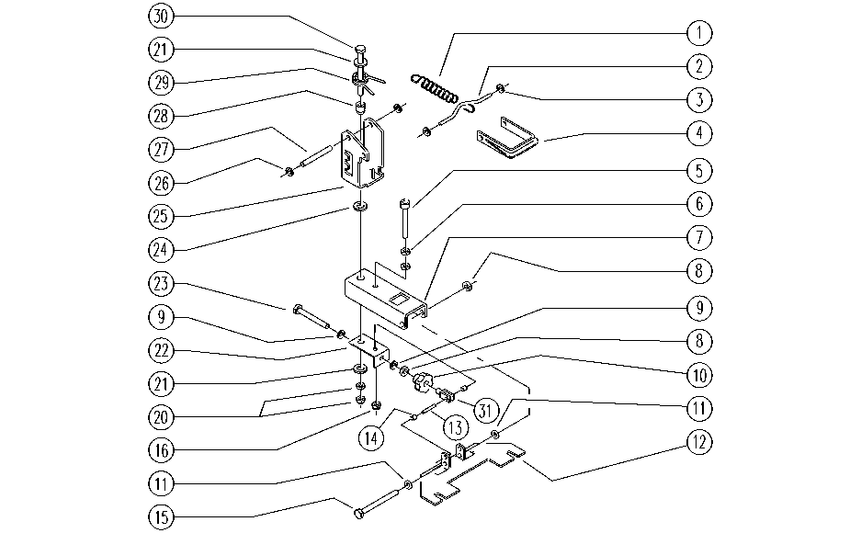

REF. | CODE | DESCRIPTION | QT
1 | E86455 | AS20 Spring | 1
2 | E86887 | Squeegee Spring Coupler | 1
3 | E86880 | Grooveless Shaft Washer | 2
4 | E86865 | Squeegee Handle | 1
5 | E86871 | Screw | 1
6 | E86873 | Nut | 2
7 | SL0951 | ARM | 1
8 | E86853 | Nyloc Hex Nut, M8 Zinc | 2
9 | E86879 | Washer | 2
10 | E86867 | Squeegee Knob WS20/24 FS28 | 1
11 | E86881 | Washer | 2
12 | SL0951 | PLATE | 1
13 | E86861 | Pin | 1
14 | E86884 | Spacer | 1
15 | E89220 | Screw | 1
16 | E86875 | Self-Locking Nut | 1
20 | E86876 | Nut | 2
21 | E86878 | Washer | 2
22 | E86888 | Support Tilt Squeegee, Strong | 1
23 | E86870 | Screw | 1
24 | E86883 | Washer, Squeegee | 1
25 | SL0951 | BRACKET | 1
26 | E86875 | Self-Locking Nut | 2
27 | E86860 | Squeegee Pin | 1
28 | E86882 | bushing | 1
29 | E86440 | AS20 Spring | 1
30 | E86486 | Screw TE M8-45 | 1
31 | E86672 | Fork for AS24/28 | 1

